Check Request Non-employee
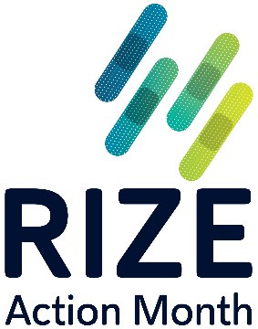
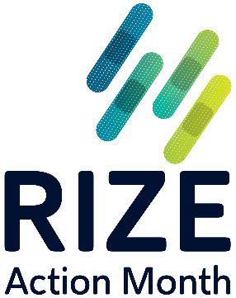
AMGA Foundation
One Prince Street, Alexandria, VA 22314

 | Check Request Non-Employee
 |  |  | RIZE Action Month Reimbursement
 |  | August 2026

Payable To |  |  |  |  |  | If the check is payable to your organization, please list the mailing address as the organization's address. If the check is payable for your personal reimbursement, please list an address for personal direct mailing.
Mailing Address

Attention

 |  |  | PLEASE CHECK THE APPROPRIATE DESCRIPTION
☐ | HONORARIUM** |  |  | ☐ | CONSULTING**
☐ | STIPEND** |  |  | √ | EXPENSES

 |  |  | **** Please Attach Receipts - KEEP COPY FOR YOUR RECORDS ****
 |  |  | (Expense form cannot be processed without receipts)
DATE | DESCRIPTION |  |  |  |  | Office Use Only COST CENTER | AMOUNT
 | RIZE Action Month 2026 Event |  |  |  |  | F2400

Signature |  | Date |  | Approved By |  |  | Date
Please return completed signed form and receipts to the address indicated at the top of page or electronically to risetoimmunize@amga.org

